Sheet1
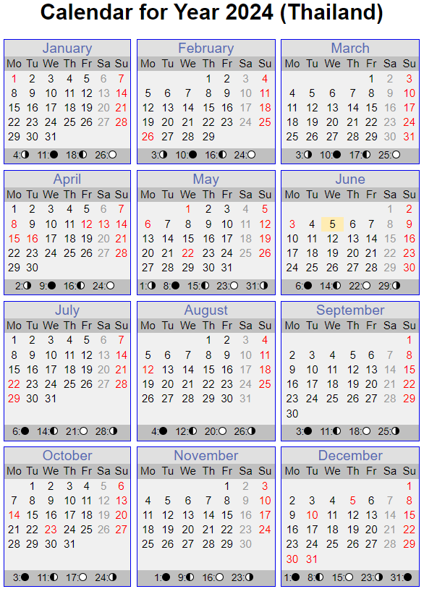
Week | Jan | Feb | Mar | Apr | May | Jun | Jul | Aug | Sep | Oct | Nov | Dec
1 | 1-5 | 1-2 | 1 | 1-5 | 1-3 | 1-7 | 1-5 | 1-2 | 1-6 | 1-4 | 1 | 1-6
2 | 6-12 | 3-9 | 1-8 | 6-12 | 4-10 | 8-14 | 6-12 | 3-9 | 7-13 | 5-11 | 1-8 | 7-13
3 | 13-19 | 10-16 | 9-15 | 13-19 | 11-17 | 15-21 | 13-19 | 10-16 | 14-20 | 12-18 | 9-15 | 14-20
4 | 20-26 | 17-23 | 16-22 | 20-26 | 18-24 | 22-30 | 20-26 | 17-23 | 21-27 | 19-25 | 16-22 | 21-27
5 | 27-31 | 24-29 | 23-31 | 27-30 | 25-31 |  | 27-31 | 24-31 | 28-30 | 26-31 | 23-30 | 28-31
6

